1,57 TRIMMING IP
LAY OUT TRIMMING & IP T.T 1,9'

1. A/C UNIT
GL
GX

TL C
TL D

5. TURN SIGNAL
4. IP LOWER
3. STEERING COLUMN
2. WIRE IP
4
3
2
1
5

QG #1

2. IP LOADING | 3. RADIATOR | 5. TUBE LIQUED | 6. LH FLOOR | 9. GARNISH QTR LH | 10. IP UPPER LH | 12. SEAT BELT LH | 14.RETAINER RR BUMPER | 15. LH BATTERY

6
10
15
2
9
14
12
16
14
18
02
5
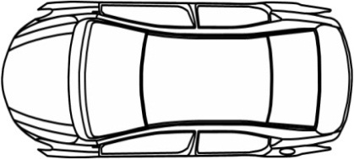
05
06
16
00
1
01
3
03
7
04
06
07
07
08
08
09

4
8
11
15
13
17

QG #2
1. PUMP ASSY |  | 4. RH FLOOR | 7. WIRE E/G ROOM MAIN | 8. GARINSH QTR RH | 11. IP UPPER RH | 13. SEAT BELT RH |  | 16.STOP LAMP

 | 20. RH HEAD LINNING | 18.SPACER RH | 15. RH RR ABSORBER | 13. PEDAL | 12.TUBE AC | 10.RH FLOOR W/HARNESH | 9.WIRE BACK DOOR |  | 5. EMBLEM BACK DOOR |  | 3. GLASS QTR & PANORAMIC RH

2
18
15
12
10
3
13
8
5
11
10
09
16
08
07
06
05
04
9
03
7
02
01
00

19
17
14
11
6
4
2
1

 | 19. LH HEAD LINNING | 17.SPACER LH | 16. BRAKE TUBE | 14. LH RR ABSORBER |  | 11.LH FLOOR W/HARNESH | 8.E/G MOUNTING | 7. BACK DOOR STAY | 6. LH DASH SILINCER | 4.RR COOLER /SUNSHIDE | 2. GLASS QTR & PANORAMIC LH | 1. PREPARE GLASS ROOF

TEAM SUPPORT
TL B
TL A

